Q1
Prepared by (learners):
 | Gumpal, Peter-Paul
 | Zuñiga, Ma. Angelica Monina

 | Unique Visits Week-on-Week (WoW)
 | May 25 to August 29
 | 2 - Pre-Promo | 3 - Promo | 4 - Post-Promo | 1 - Initial Period
1 |  |  |  | 1509
2 |  |  |  | 1450
3 |  |  |  | 1306
4 |  |  |  | 1301
5 |  |  |  | 1255
6 |  |  |  | 841
7 |  |  |  | 731
8 |  |  |  | 706
9 |  |  |  | 976
10 |  |  |  | 850
11 |  |  |  | 791
12 |  |  |  | 685
13 |  |  |  | 668
14 |  |  |  | 594
15 | 537
16 | 508
17 | 495
18 | 585
19 | 549
20 | 500
21 | 525
22 | 520
23 | 511
24 | 507
25 | 500
26 | 511
27 | 510
28 | 498
29 | 499
30 | 535
31 | 366
32 | 385
33 | 495
34 | 583
35 | 734
36 |  | 930
37 |  | 1136
38 |  | 2229
39 |  | 1946
40 |  | 2228
41 |  | 3617
42 |  | 2482
43 |  | 2896
44 |  | 1585
45 |  | 1689
46 |  | 1030
47 |  | 1166
48 |  | 1178
49 |  | 1613
50 |  | 1452
...

 | Revenue WoW
 | May 25 to August 29
 | 2 - Pre-Promo | 3 - Promo | 4 - Post-Promo | 1 - Initial Period
1 |  |  |  | 480728.006
2 |  |  |  | 641155.476
3 |  |  |  | 890076.65
4 |  |  |  | 552673.978
5 |  |  |  | 750776.984
6 |  |  |  | 553054.693
7 |  |  |  | 274567.612
8 |  |  |  | 619284.636
9 |  |  |  | 674484.588
10 |  |  |  | 762559.123
11 |  |  |  | 479084.174
12 |  |  |  | 528270.716
13 |  |  |  | 540675.973
14 |  |  |  | 768109.113
15 | 403820.108
16 | 388745.035
17 | 622367.297
18 | 456011.808
19 | 951216.164
20 | 534541.676
21 | 537651.894
22 | 623710.093
23 | 764838.993
24 | 315647.109
25 | 610984.658
26 | 563524.687
27 | 555497.236
28 | 432657.446
29 | 488985.671
30 | 689428.115
31 | 343105.084
32 | 605155.426
33 | 407276.99
34 | 405484.238
35 | 519934.137
36 |  | 614454.698
37 |  | 516269.923
38 |  | 297812.749
39 |  | 692677.087
40 |  | 897163.712
41 |  | 417727.332
42 |  | 326968.752
43 |  | 326482.161
44 |  | 508026.895
45 |  | 413937.08
46 |  | 422487.91
47 |  | 376751.076
48 |  | 410241.178
49 |  | 549750.114
50 |  | 268159.513
...

 | Profit WoW
 | May 25 to August 29
 | 2 - Pre-Promo | 3 - Promo | 4 - Post-Promo | 1 - Initial Period
1 |  |  |  | 118683.8
2 |  |  |  | 269604.7
3 |  |  |  | 275218.1
4 |  |  |  | 204153
5 |  |  |  | 256091.4
6 |  |  |  | 178134.5
7 |  |  |  | 62580.4
8 |  |  |  | 248458.4
9 |  |  |  | 238498.1
10 |  |  |  | 230237.8
11 |  |  |  | 156660.1
12 |  |  |  | 186775.6
13 |  |  |  | 164498.8
14 |  |  |  | 213673
15 | 135190.8
16 | 148950.6
17 | 153421.6
18 | 158315.9
19 | 273174.7
20 | 167637
21 | 134114.7
22 | 228044.8
23 | 202702.9
24 | 119860.2
25 | 170025.5
26 | 189704.7
27 | 123129.3
28 | 121400.4
29 | 152476.4
30 | 215420.6
31 | 100388.4
32 | 119902.7
33 | 134854.2
34 | 129973.5
35 | 179883.8
36 |  | 113248.9
37 |  | 193465.1
38 |  | 89802.5
39 |  | 184368.4
40 |  | 266476.7
41 |  | 111834.5
42 |  | 122687.3
43 |  | 114328.4
44 |  | 159944.5
45 |  | 143253.9
46 |  | 81841.4
47 |  | 137256.3
48 |  | 90174.8
49 |  | 138599.3
50 |  | 98679.9
...

 | Volume WoW
 | May 25 to August 29
 | 2 - Pre-Promo | 3 - Promo | 4 - Post-Promo | 1 - Initial Period
1 |  |  |  | 16585
2 |  |  |  | 18906
3 |  |  |  | 28053
4 |  |  |  | 19382
5 |  |  |  | 24274
6 |  |  |  | 15309
7 |  |  |  | 8633
8 |  |  |  | 17216
9 |  |  |  | 17309
10 |  |  |  | 24571
11 |  |  |  | 14390
12 |  |  |  | 17231
13 |  |  |  | 13802
14 |  |  |  | 26653
15 | 12403
16 | 11695
17 | 26362
18 | 15772
19 | 31972
20 | 15531
21 | 19734
22 | 17193
23 | 22591
24 | 8992
25 | 19104
26 | 21455
27 | 18784
28 | 14298
29 | 17215
30 | 27257
31 | 11292
32 | 20148
33 | 16454
34 | 12703
35 | 26303
36 |  | 22199
37 |  | 16535
38 |  | 7814
39 |  | 28041
40 |  | 31496
41 |  | 10181
42 |  | 9727
43 |  | 18323
44 |  | 17299
45 |  | 13862
46 |  | 19007
47 |  | 23284
48 |  | 17374
49 |  | 18195
50 |  | 9176
...

Q2
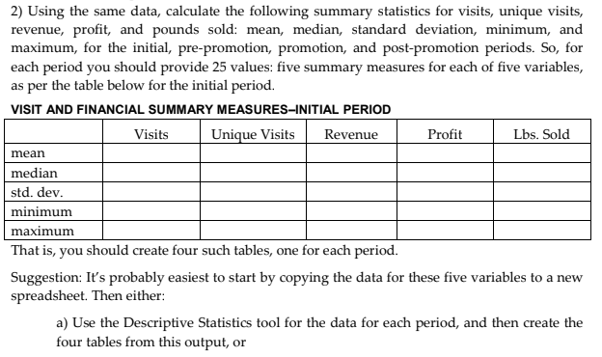
Descriptive Statistics

Initial Period | Visits | Unique Visits | Revenue | Profit | Volume
Mean | 1055.2142857 | 975.92857143 | 608250.123 | 200233.40714 | 18736.714286
Standard Error | 94.886640207 | 85.415948294 | 41674.15162 | 16220.499888 | 1450.5281737
Median | 899 | 845.5 | 586169.6645 | 208913 | 17270
Mode | 1632 | 1509 | 890076.65 | 275218.1 | 28053
Standard Deviation | 355.03329824 | 319.59721388 | 155930.39725 | 60691.553224 | 5427.3794559
Sample Variance | 126048.64286 | 102142.37912 | 24314288785 | 3683464632.8 | 29456447.758
Kurtosis | -1.4406591516 | -1.3957936787 | 0.50255718953 | 0.50365497383 | -0.30015322191
Skewness | 0.54328993417 | 0.53717465594 | -0.21719204202 | -0.86903315312 | 0.21304576391
Range | 1006 | 915 | 615509.038 | 212637.7 | 19420
Minimum | 626 | 594 | 274567.612 | 62580.4 | 8633
Maximum | 1632 | 1509 | 890076.65 | 275218.1 | 28053
Sum | 14773 | 13663 | 8515501.722 | 2803267.7 | 262314
Count | 14 | 14 | 14 | 14 | 14
Confidence Level(95%) | 204.99012302 | 184.5299371 | 90031.53077 | 35042.259483 | 3133.6755957

Pre-Promo | Visits | Unique Visits | Revenue | Profit | Volume
Mean | 562.95238095 | 516.80952381 | 534313.51738 | 159932.03333 | 18440.857143
Standard Error | 17.647538098 | 15.480189959 | 32842.407918 | 9314.1252403 | 1301.8850606
Median | 558 | 510 | 534541.676 | 152476.4 | 17215
Mode | 558 | 511 | 951216.164 | 273174.7 | 31972
Standard Deviation | 80.871179162 | 70.939142261 | 150502.82029 | 42682.683946 | 5965.9868361
Sample Variance | 6540.147619 | 5032.3619048 | 22651098915 | 1821811508.8 | 35592998.929
Kurtosis | 3.930121091 | 4.7254531713 | 1.6047884576 | 1.0407275153 | -0.13834749629
Skewness | 0.37569573794 | 0.79501238984 | 1.0069037686 | 1.086958968 | 0.57271931124
Range | 412 | 368 | 635569.055 | 172786.3 | 22980
Minimum | 383 | 366 | 315647.109 | 100388.4 | 8992
Maximum | 795 | 734 | 951216.164 | 273174.7 | 31972
Sum | 11822 | 10853 | 11220583.865 | 3358572.7 | 387258
Count | 21 | 21 | 21 | 21 | 21
Confidence Level(95%) | 36.812118677 | 32.291109773 | 68508.061081 | 19428.92441 | 2715.6845951

Promo | Visits | Unique Visits | Revenue | Profit | Volume
Mean | 1814.3529412 | 1738.8235294 | 456398.848 | 131929.9 | 17112.823529
Standard Error | 183.86665847 | 180.21011501 | 39227.978524 | 11587.587467 | 1581.1110512
Median | 1663 | 1585 | 413937.08 | 114328.4 | 17299
Mode | 3726 | 3617 | 897163.712 | 266476.7 | 31496
Standard Deviation | 758.1016539 | 743.02533901 | 161741.09893 | 47776.847073 | 6519.0878698
Sample Variance | 574718.11765 | 552086.65441 | 26160183084 | 2282627116.2 | 42498506.654
Kurtosis | 1.0640496294 | 1.086272434 | 2.2535302686 | 2.8000505688 | 0.19342307202
Skewness | 1.2069843134 | 1.2075730783 | 1.4320288295 | 1.5545284098 | 0.63987382341
Range | 2726 | 2687 | 629004.199 | 184635.3 | 23682
Minimum | 1000 | 930 | 268159.513 | 81841.4 | 7814
Maximum | 3726 | 3617 | 897163.712 | 266476.7 | 31496
Sum | 30844 | 29560 | 7758780.416 | 2242808.3 | 290918
Count | 17 | 17 | 17 | 17 | 17
Confidence Level(95%) | 389.77990106 | 382.02837527 | 83159.599 | 24564.587914 | 3351.8056739

Post-Promo | Visits | Unique Visits | Revenue | Profit | Volume
Mean | 856.57142857 | 800.78571429 | 371728.01679 | 111045.82143 | 14577.857143
Standard Error | 18.945762461 | 19.337993854 | 38947.53542 | 13113.245548 | 1587.9757965
Median | 847.5 | 800 | 348397.0905 | 104530.45 | 13647
Mode | 963 | 828 | 615950.171 | 206441.2 | 23762
Standard Deviation | 70.88855206 | 72.356147547 | 145728.3336 | 49065.272069 | 5941.661369 | Revenue
Sample Variance | 5025.1868132 | 5235.4120879 | 21236747215 | 2407400923.2 | 35303339.824
Kurtosis | -1.5784282939 | -1.2578556739 | -0.26590372471 | 0.037882599797 | -0.63510283289 | Mean | 371728.01679
Skewness | 0.28120508715 | 0.28614530136 | 0.47455056162 | 0.51063025216 | 0.03581047275 | Standard Error | 38947.53542
Range | 191 | 203 | 481983.269 | 173615.9 | 19936 | Median | 348397.0905
Minimum | 772 | 709 | 133966.902 | 32825.3 | 3826 | Mode | 615950.171
Maximum | 963 | 912 | 615950.171 | 206441.2 | 23762 | Standard Deviation | 145728.3336
Sum | 11992 | 11211 | 5204192.235 | 1554641.5 | 204090 | Sample Variance | 21236747215
Count | 14 | 14 | 14 | 14 | 14 | Kurtosis | -0.26590372471
Confidence Level(95%) | 40.929831314 | 41.777195719 | 84141.034606 | 28329.444611 | 3430.6131314 | Skewness | 0.47455056162
 |  |  |  |  |  |  |  | Range | 481983.269
 |  |  |  |  |  |  |  | Minimum | 133966.902
 |  |  |  |  |  |  |  | Maximum | 615950.171
 |  |  |  |  |  |  |  | Sum | 5204192.235
 |  |  |  |  |  |  |  | Count | 14
 |  |  |  |  |  |  |  | Confidence Level(95%) | 84141.034606

Q3
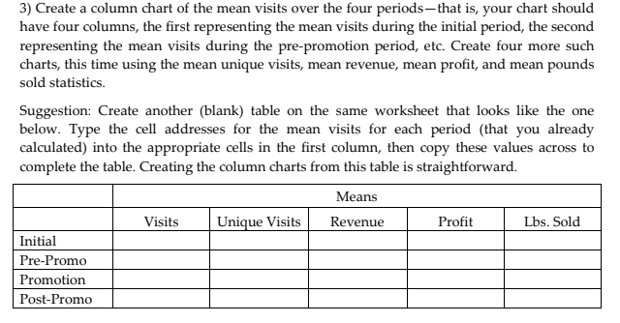
Prepared by (learners):
 | Gumpal, Peter-Paul
 | Zuñiga, Ma. Angelica Monina

 | MEAN
PhraseDesc | .Visits. | .Unique Visits. | .Revenue. | .Profit. | .Volume.
1 - Initial Period | 1055.2142857 | 975.92857143 | 608250.123 | 200233.40714 | 18736.714286
2 - Pre-Promo | 562.95238095 | 516.80952381 | 534313.51738 | 159932.03333 | 18440.857143
3 - Promo | 1814.3529412 | 1738.8235294 | 456398.848 | 131929.9 | 17112.823529
4 - Post-Promo | 856.57142857 | 800.78571429 | 371728.01679 | 111045.82143 | 14577.857143

Visits (Mean)

.Visits.
PhraseDesc | Total
1 - Initial Period | 1055.2142857
2 - Pre-Promo | 562.95238095
3 - Promo | 1814.3529412
4 - Post-Promo | 856.57142857

Unique Visits (Mean)

.Unique Visits.
PhraseDesc | Total
1 - Initial Period | 975.92857143
2 - Pre-Promo | 516.80952381
3 - Promo | 1738.8235294
4 - Post-Promo | 800.78571429

Revenue (Mean)

.Revenue.
PhraseDesc | Total
1 - Initial Period | 608250.123
2 - Pre-Promo | 534313.51738
3 - Promo | 456398.848
4 - Post-Promo | 371728.01679

Profit (Mean)
.Profit.
PhraseDesc | Total
1 - Initial Period | 200233.40714
2 - Pre-Promo | 159932.03333
3 - Promo | 131929.9
4 - Post-Promo | 111045.82143

Volume (Mean)
.Volume.
PhraseDesc | Total
1 - Initial Period | 18736.714286
2 - Pre-Promo | 18440.857143
3 - Promo | 17112.823529
4 - Post-Promo | 14577.857143

Q4
Analysis
 | On Unique Visits Week-on-Week (WoW), the central tendency is during the Promo phase, which shows that the marketing campaign initiated pre-promo is effective.
 | This could mean that leads (part of the 25K marketing budget) have drawn new customers to QA's website.
 | A rough WoW trend analysis on QA's Sales performance shows a decline going August 2009.
 | Based only on mean(average) values comparing the 4 periods, the only significant increase is Web Traffc, but even then that didn't translate to an increase in sales.

To wit-- |  | MEAN
 | Phrase | .Visits. | .Volume.
 | 1 - Initial Period | 1055.2142857 | 18736.714286
 | 2 - Pre-Promo | 562.95238095 | 18440.857143
 | 3 - Promo | 1814.3529412 | 17112.823529
 | 4 - Post-Promo | 856.57142857 | 14577.857143

Q5
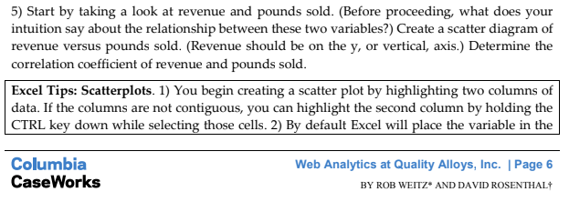
Prepared by (learners):
 | Gumpal, Peter-Paul
 | Zuñiga, Ma. Angelica Monina

Analysis
 | Based on intuition, an increase in sales volume would also translate to revenue growth.

Y vs X
 | Revenue
16,585 | $480,728
18,906 | $641,155
28,053 | $890,077
19,382 | $552,674
24,274 | $750,777
15,309 | $553,055
8,633 | $274,568
17,216 | $619,285
17,309 | $674,485
24,571 | $762,559
14,390 | $479,084
17,231 | $528,271
13,802 | $540,676
26,653 | $768,109
12,403 | $403,820
11,695 | $388,745
26,362 | $622,367
15,772 | $456,012
31,972 | $951,216
15,531 | $534,542
19,734 | $537,652
17,193 | $623,710
22,591 | $764,839
8,992 | $315,647
19,104 | $610,985
21,455 | $563,525
18,784 | $555,497
14,298 | $432,657
17,215 | $488,986
27,257 | $689,428
11,292 | $343,105
20,148 | $605,155
16,454 | $407,277
12,703 | $405,484
26,303 | $519,934
22,199 | $614,455
16,535 | $516,270
7,814 | $297,813
28,041 | $692,677
31,496 | $897,164
10,181 | $417,727
9,727 | $326,969
18,323 | $326,482
17,299 | $508,027
13,862 | $413,937
19,007 | $422,488
23,284 | $376,751
17,374 | $410,241
18,195 | $549,750
9,176 | $268,160
...

 | Correlation |  | 0.8689338387

 | Correlation Matrix
 |  | Volume | Revenue
 | Volume | 1
 | Revenue | 0.8689338387 | 1
 | R2 | 0.75504601603

Q6
Y vs X
 | Revenue
1,632 | $480,728
1,580 | $641,155
1,441 | $890,077
1,452 | $552,674
1,339 | $750,777
892 | $553,055
797 | $274,568
744 | $619,285
1,044 | $674,485
906 | $762,559
849 | $479,084
737 | $528,271
734 | $540,676
626 | $768,109
577 | $403,820
562 | $388,745
563 | $622,367
652 | $456,012
611 | $951,216
561 | $534,542
558 | $537,652
570 | $623,710
551 | $764,839
537 | $315,647
543 | $610,985
558 | $563,525
536 | $555,497
549 | $432,657
545 | $488,986
591 | $689,428
383 | $343,105
402 | $605,155
547 | $407,277
631 | $405,484
795 | $519,934
1,000 | $614,455
1,207 | $516,270
2,317 | $297,813
2,013 | $692,677
2,324 | $897,164
3,726 | $417,727
2,563 | $326,969
3,006 | $326,482
1,663 | $508,027
1,779 | $413,937
1,086 | $422,488
1,231 | $376,751
1,248 | $410,241
1,674 | $549,750
1,514 | $268,160
...

Correlation |  | -0.059391830499

Correlation Matrix
 | Visits | Revenue
Visits | 1
Revenue | -0.059391830499 | 1

Q7
Prepared by (learners):
 | Gumpal, Peter-Paul
 | Zuñiga, Ma. Angelica Monina

Analysis
 | Based on our scatter plot (in Q6), which clustered on the left, an increase in Visits didn't translate to increase in sales.
 | These "new" buyers that have been redirected to QA's could probably have not made or finished a purchase since the website is not designed to be an e-commerce site.
 | This can be easily verified by the metric "Revenue per Visit" (WoW Revenue / WoW Visits) which shows the gross sales for each website visitor.
 | By tabulating the average Revenue per Visit per Week for each of the periods, the Promo phase shows the least revenue made per customer transaction in QAs website.

Row Labels | Average of Revenue Per Visit
1 - Initial Period | 627.76403825
2 - Pre-Promo | 962.16380597
3 - Promo | 288.11628145
4 - Post-Promo | 434.5948425
 |  | Average of Revenue Per Visit | Column Labels
 | 1 - Initial Period | 2 - Pre-Promo | 3 - Promo | 4 - Post-Promo
1 | 294.56372917
2 | 405.79460506
3 | 617.67984039
4 | 380.62946143
5 | 560.699764
6 | 620.01647197
7 | 344.50139523
8 | 832.37182258
9 | 646.05803448
10 | 841.6767362
11 | 564.29231331
12 | 716.78523202
13 | 736.61576703
14 | 1227.0113626
15 |  | 699.86153899
16 |  | 691.71714413
17 |  | 1105.4481297
18 |  | 699.4046135
19 |  | 1556.818599
20 |  | 952.83721212
21 |  | 963.53386022
22 |  | 1094.2282333
23 |  | 1388.0925463
24 |  | 587.79722346
25 |  | 1125.2019484
26 |  | 1009.9008728
27 |  | 1036.3754403
28 |  | 788.0827796
29 |  | 897.22141468
30 |  | 1166.5450338
31 |  | 895.83572846
32 |  | 1505.3617562
33 |  | 744.56488117
34 |  | 642.60576545
35 |  | 654.00520377
36 |  |  | 614.454698
37 |  |  | 427.72984507
38 |  |  | 128.53377169
39 |  |  | 344.10188127
40 |  |  | 386.04290534
41 |  |  | 112.1114686
42 |  |  | 127.57266953
43 |  |  | 108.61016667
44 |  |  | 305.48821106
45 |  |  | 232.67964025
46 |  |  | 389.03122468
47 |  |  | 306.05286434
48 |  |  | 328.71889263
49 |  |  | 328.40508602
50 |  |  | 177.1198897
...
 |  | Row Labels | 1 - Initial Period | 2 - Pre-Promo | 3 - Promo | 4 - Post-Promo | Row Labels | Sum of Revenue | Sum of Bounce Rate | Row Labels | Sum of Revenue | Sum of Bounce Rate
 |  | 1 | 294.56372917 |  |  |  | 1 | 480728.006 | 0.7267 | 1 | 480728.006 | 0.7267
 |  | 2 | 405.79460506 |  |  |  | 2 | 641155.476 | 0.7551 | 2 | 641155.476 | 0.7551
 |  | 3 | 617.67984039 |  |  |  | 3 | 890076.65 | 0.7398 | 3 | 890076.65 | 0.7398
 |  | 4 | 380.62946143 |  |  |  | 4 | 552673.978 | 0.7362 | 4 | 552673.978 | 0.7362
 |  | 5 | 560.699764 |  |  |  | 5 | 750776.984 | 0.764 | 5 | 750776.984 | 0.764
 |  | 6 | 620.01647197 |  |  |  | 6 | 553054.693 | 0.7365 | 6 | 553054.693 | 0.7365
 |  | 7 | 344.50139523 |  |  |  | 7 | 274567.612 | 0.6148 | 7 | 274567.612 | 0.6148
 |  | 8 | 832.37182258 |  |  |  | 8 | 619284.636 | 0.5927 | 8 | 619284.636 | 0.5927
 |  | 9 | 646.05803448 |  |  |  | 9 | 674484.588 | 0.6034 | 9 | 674484.588 | 0.6034
 |  | 10 | 841.6767362 |  |  |  | 10 | 762559.123 | 0.6336 | 10 | 762559.123 | 0.6336
 |  | 11 | 564.29231331 |  |  |  | 11 | 479084.174 | 0.6443 | 11 | 479084.174 | 0.6443
 |  | 12 | 716.78523202 |  |  |  | 12 | 528270.716 | 0.6282 | 12 | 528270.716 | 0.6282
 |  | 13 | 736.61576703 |  |  |  | 13 | 540675.973 | 0.624 | 13 | 540675.973 | 0.624
 |  | 14 | 1227.0113626 |  |  |  | 14 | 768109.113 | 0.6198 | 14 | 768109.113 | 0.6198
 |  | 15 |  | 699.86153899 |  |  | 15 | 403820.108 | 0.6205 | 15 | 403820.108 | 0.6205
Analysis |  | 16 |  | 691.71714413 |  |  | 16 | 388745.035 | 0.589 | 16 | 388745.035 | 0.589
 | Another variable pair that could be use to analyze the effectiveness of the website is the Bounce Rate and Revenue. This can definitely tell wether a customer visit translated to a sale. | 17 |  | 1105.4481297 |  |  | 17 | 622367.297 | 0.5861 | 17 | 622367.297 | 0.5861
 | As shown in below grown, as the Bounce Rate (percentage of visitors who leave your website after viewing only one page) goes north, sales figure goes south. | 18 |  | 699.4046135 |  |  | 18 | 456011.808 | 0.5613 | 18 | 456011.808 | 0.5613
 |  | 19 |  | 1556.818599 |  |  | 19 | 951216.164 | 0.5352 | 19 | 951216.164 | 0.5352
Revenue x Bounce Rate
 |  | 20 |  | 952.83721212 |  |  | 20 | 534541.676 | 0.5365 | 20 | 534541.676 | 0.5365
 |  | 21 |  | 963.53386022 |  |  | 21 | 537651.894 | 0.6129 | 21 | 537651.894 | 0.6129
 |  | 22 |  | 1094.2282333 |  |  | 22 | 623710.093 | 0.5737 | 22 | 623710.093 | 0.5737
 |  | 23 |  | 1388.0925463 |  |  | 23 | 764838.993 | 0.5662 | 23 | 764838.993 | 0.5662
 |  | 24 |  | 587.79722346 |  |  | 24 | 315647.109 | 0.5698 | 24 | 315647.109 | 0.5698
 |  | 25 |  | 1125.2019484 |  |  | 25 | 610984.658 | 0.5838 | 25 | 610984.658 | 0.5838
 |  | 26 |  | 1009.9008728 |  |  | 26 | 563524.687 | 0.5771 | 26 | 563524.687 | 0.5771
 |  | 27 |  | 1036.3754403 |  |  | 27 | 555497.236 | 0.5765 | 27 | 555497.236 | 0.5765
 |  | 28 |  | 788.0827796 |  |  | 28 | 432657.446 | 0.612 | 28 | 432657.446 | 0.612
 |  | 29 |  | 897.22141468 |  |  | 29 | 488985.671 | 0.5908 | 29 | 488985.671 | 0.5908
 |  | 30 |  | 1166.5450338 |  |  | 30 | 689428.115 | 0.6244 | 30 | 689428.115 | 0.6244
 |  | 31 |  | 895.83572846 |  |  | 31 | 343105.084 | 0.6893 | 31 | 343105.084 | 0.6893
 |  | 32 |  | 1505.3617562 |  |  | 32 | 605155.426 | 0.7015 | 32 | 605155.426 | 0.7015
 |  | 33 |  | 744.56488117 |  |  | 33 | 407276.99 | 0.5466 | 33 | 407276.99 | 0.5466
 |  | 34 |  | 642.60576545 |  |  | 34 | 405484.238 | 0.5658 | 34 | 405484.238 | 0.5658
 |  | 35 |  | 654.00520377 |  |  | 35 | 519934.137 | 0.6579 | 35 | 519934.137 | 0.6579
Analysis |  | 36 |  |  | 614.454698 |  | 36 | 614454.698 | 0.658 | 36 | 614454.698 | 0.658
 | Therefore, while an increase in sales volume can contribute to revenue growth, | 37 |  |  | 427.72984507 |  | 37 | 516269.923 | 0.7307 | 37 | 516269.923 | 0.7307
 | it's essential for QA to focus on optimizing other aspects of their sales and marketing strategy to maximize the impact of increased web traffic. | 38 |  |  | 128.53377169 |  | 38 | 297812.749 | 0.8226 | 38 | 297812.749 | 0.8226
 | This includes enhancing website usability, refining pricing and promotional strategies, and maintaining a strong emphasis on product quality and brand reputation. | 39 |  |  | 344.10188127 |  | 39 | 692677.087 | 0.8127 | 39 | 692677.087 | 0.8127
 |  | 40 |  |  | 386.04290534 |  | 40 | 897163.712 | 0.8072 | 40 | 897163.712 | 0.8072
 |  | 41 |  |  | 112.1114686 |  | 41 | 417727.332 | 0.8578 | 41 | 417727.332 | 0.8578
 |  | 42 |  |  | 127.57266953 |  | 42 | 326968.752 | 0.8478 | 42 | 326968.752 | 0.8478
 |  | 43 |  |  | 108.61016667 |  | 43 | 326482.161 | 0.843 | 43 | 326482.161 | 0.843
 |  | 44 |  |  | 305.48821106 |  | 44 | 508026.895 | 0.7655 | 44 | 508026.895 | 0.7655
 |  | 45 |  |  | 232.67964025 |  | 45 | 413937.08 | 0.7886 | 45 | 413937.08 | 0.7886
 |  | 46 |  |  | 389.03122468 |  | 46 | 422487.91 | 0.6934 | 46 | 422487.91 | 0.6934
 |  | 47 |  |  | 306.05286434 |  | 47 | 376751.076 | 0.7059 | 47 | 376751.076 | 0.7059
 |  | 48 |  |  | 328.71889263 |  | 48 | 410241.178 | 0.7316 | 48 | 410241.178 | 0.7316
 |  | 49 |  |  | 328.40508602 |  | 49 | 549750.114 | 0.7855 | 49 | 549750.114 | 0.7855
 |  | 50 |  |  | 177.1198897 |  | 50 | 268159.513 | 0.7761 | 50 | 268159.513 | 0.7761
 |  | 51 |  |  | 247.87265207 |  | 51 | 322730.193 | 0.7757 | 51 | 322730.193 | 0.7757
 |  | 52 |  |  | 333.45091772 |  | 52 | 397140.043 | 0.7347 | 52 | 397140.043 | 0.7347
 |  | 53 |  |  |  | 387.58021108 | 53 | 370914.262 | 0.7085 | 53 | 370914.262 | 0.7085
 |  | 54 |  |  |  | 310.92904673 | 54 | 299424.672 | 0.6833 | 54 | 299424.672 | 0.6833
 |  | 55 |  |  |  | 337.10425624 | 55 | 297325.954 | 0.6995 | 55 | 297325.954 | 0.6995
 |  | 56 |  |  |  | 357.49637473 | 56 | 336761.585 | 0.6858 | 56 | 336761.585 | 0.6858
 |  | 57 |  |  |  | 502.15845988 | 57 | 419302.314 | 0.6635 | 57 | 419302.314 | 0.6635
 |  | 58 |  |  |  | 238.36855237 | 58 | 191171.579 | 0.6571 | 58 | 191171.579 | 0.6571
 |  | 59 |  |  |  | 166.21203722 | 59 | 133966.902 | 0.6526 | 59 | 133966.902 | 0.6526
 |  | 60 |  |  |  | 684.12531444 | 60 | 615712.783 | 0.6456 | 60 | 615712.783 | 0.6456
 |  | 61 |  |  |  | 418.64255349 | 61 | 360032.596 | 0.6465 | 61 | 360032.596 | 0.6465
 |  | 62 |  |  |  | 621.12386688 | 62 | 573918.453 | 0.6418 | 62 | 573918.453 | 0.6418
 |  | 63 |  |  |  | 501.95719697 | 63 | 397550.1 | 0.6818 | 63 | 397550.1 | 0.6818
 |  | 64 |  |  |  | 361.13298079 | 64 | 282044.858 | 0.6633 | 64 | 282044.858 | 0.6633
 |  | 65 |  |  |  | 399.63402835 | 65 | 310116.006 | 0.6379 | 65 | 310116.006 | 0.6379
 |  | 66 |  |  |  | 797.8629158 | 66 | 615950.171 | 0.6192 | 66 | 615950.171 | 0.6192

Q8
8.a | Descriptive Statistics

 | Lbs. Sold

 | Mean | 18681.555172
 | Standard Error | 401.68845738
 | Median | 17673
 | Mode | 28865
 | Standard Deviation | 6840.5079395
 | Sample Variance | 46792548.871
 | Kurtosis | 0.56366144181
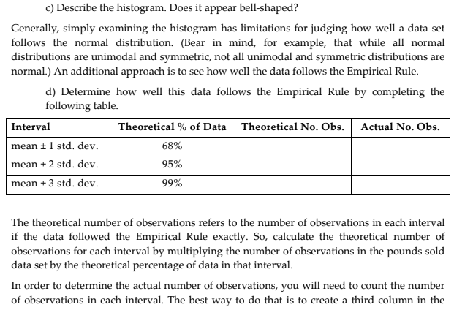
 | Skewness | 0.63230748489
 | Range | 40914
 | Minimum | 3826
 | Maximum | 44740
 | Sum | 5417651
 | Count | 290
 | Confidence Level(95%) | 790.60578181

8.b | Histogram

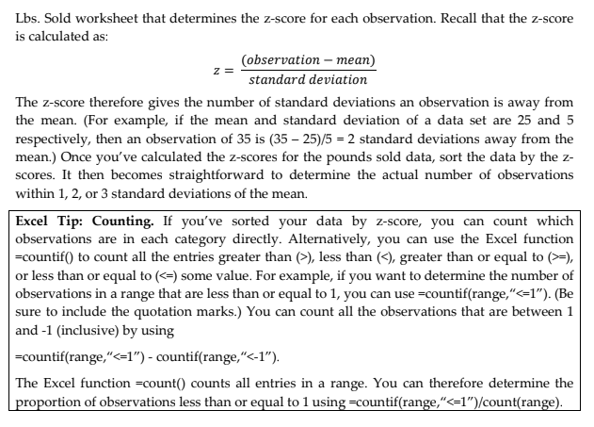

8.c | The histogram appears to be bell-shaped, however it ishows a positively skewed data (volume sold more than 30K is at the right tail of the graph) , thus not normally distributed.

8.d
 | Interval | Theoretical % of data | Theoretical No. Observation | Actual No. Observation | Actual % of Data
 | mean +-1 std. dev | 68.00% | 197.2 | 174 | 60.00%
 | mean +-2 std. dev | 95.00% | 275.5 | 235 | 81.03%
 | mean +-3 std. dev | 99.70% | 289.13 | 271 | 93.45%

 | Interval | Actual Observed | stdev | (+-2 stdev) | (+-3 stdev)
 | 3826 to 7426 | 7 | 4.76 | 6.65 | 6.979 | 0.21034482759
 | 7426 to 11026 | 23 | 15.64 | 21.85 | 22.931
 | 11026 to 14626 | 52 | 35.36 | 49.4 | 51.844 | 0.12413793103
 | 14626 to 18226 | 72 | 48.96 | 68.4 | 71.784
 | 18226 to 21826 | 50 | 34 | 47.5 | 49.85
 | 21826 to 25426 | 38 | 25.84 | 36.1 | 37.886
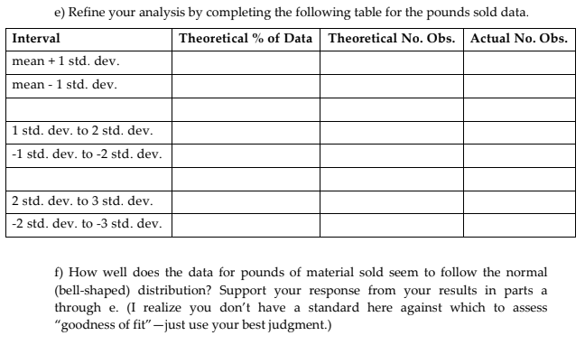
 | 25426 to 29026 | 29 | 19.72 | 27.55 | 28.913
 | 29026 to 32626 | 8 | 5.44 | 7.6 | 7.976
 | 32626 to 36226 | 7 | 4.76 | 6.65 | 6.979
 | 36226 o 39826 | 2 | 1.36 | 1.9 | 1.994
 | 39826 to 43426 | 1 | 0.68 | 0.95 | 0.997
 | 43426t to 47026 | 1 | 0.68 | 0.95 | 0.997

 |  |  | 197.2 | 275.5 | 289.13

8.e
 | Interval | Theoretical % of data | Theoretical No. Observation | Actual No. Observation
 | mean +1 std. dev | 34.00% | 67.048 | 35
 | mean -1 std. dev | 34.00% | 67.048 | 0
 | 1 std dev to 2 std. dev. | 47.50% | 130.8625 | 9
 | -1 std. dev to -2 std. dev. | 47.50% | 130.8625 | 241
 | 2 std. dev. To 3 std. dev. | 49.85% | 144.131305 | 2
 | -2 std dev. To -3 std. dev. | 49.85% | 144.131305 | 3

8.f | Although the histogram of pounds sold initially appears bell-shaped, our analysis reveals it does not conform to a normal distribution. This is evident in the deviation from the Empirical Rule.
 | In a normal distribution, we expect 68% of data to fall within one standard deviation of the mean, 95% within two, and 99.7% within three.
 | Observed Data: Our data shows only 60% within one standard deviation (interval 11026 to 18226), 21% within two, and 12% within three.
 | This significant discrepancy indicates the distribution is not normal.
 | Additionally, the median (14626 to 18226) does not align with the mean if it were a perfect bell curve, suggesting asymmetry in the data.
 | This deviation from normality has implications for our analysis. We cannot rely on statistical methods that assume normality.

8.g | Our analysis reveals that the data exhibits a positively skewed, with a skewness of 0.63 and kurtosis of 0.56.
 | This means the majority of values are concentrated on the lower end, with a long tail extending towards the higher values.
 | Additionally, the distribution is more peaked and has heavier tails compared to a normal distribution, suggesting a higher probability of extreme values.
 | This insight can be visually confirmed in the histogram, which clearly illustrates the right-skewed shape and the concentration of values on the left side of the distribution.

Q10
Prepared by (learners):
 | Gumpal, Peter-Paul
 | Zuñiga, Ma. Angelica Monina

Analysis
1 | The majority of traffic to QA's website (86%) comes from referring sites and search engines, suggesting that the brochure had a limited impact on site visits.
 | It can be inferred that only 14% of visits may be attributed to direct communication with leads.
2 | Google AdWords, a separate service from the brochure, contributes significantly to website traffic (approximately 80%).
3 | With Google being the top search engine source of visits, utilizing Google's ad service remains a viable option for QA.
4 | The Americas represent QA's largest customer base (71%), while Europe and Asia are potential targets for future marketing campaigns.
5 | Given that most visitors find QA through Google and primarily use Internet Explorer on Windows PCs (76% of total visits), these insights should inform the design of QA's future website.
All Trafic Sources
Referring Sites | 38,754
Search Engines | 20,964
Direct Traffic | 9,709
Other | 4

Chart 1

Referring Sites Redirection
psicofxp.com | 310
mail.google.com | 337
mu.com | 344
thomasnet.com | 379
freepatentsonline.com | 389
searchportal.information.com | 582
globalspec.com | 693
sedoparking.com | 3,138
pagead2.googlesyndication.com | 8,044
googleads.g.doubleclick.net | 15,626
Chart 2

Top 10 Search Engine
 | google | yahoo | search | msn | aol | ask | live | bing | voila | netscape
 | 17,681 | 1,250 | 592 | 424 | 309 | 268 | 145 | 122 | 63 | 26
Chart 3

Geographic Sources by Sub Continent Region
 | South America | Northern America | Central America | Western Europe | Eastern Asia | Northern Europe | Southern Asia | South-Eastern Asia | Southern Europe | Eastern Europe
 | 22,616 | 17,509 | 6,776 | 5,214 | 3,228 | 2,721 | 2,589 | 1,968 | 1,538 | 1,427
Chart 4

Browsers Used
 | Internet Explorer | Firefox | Opera | Safari | Chrome | Mozilla | Netscape | Konqueror | SeaMonkey | Camino
 | 53,080 | 13,142 | 938 | 850 | 792 | 478 | 47 | 31 | 24 | 9

Chart 5

Others Charts
Prepared by (learners): |  | Sum of Inquiries | Column Labels
 | Gumpal, Peter-Paul | Row Labels | 1 - Initial Period | 2 - Pre-Promo | 3 - Promo | 4 - Post-Promo | Grand Total
 | Zuñiga, Ma. Angelica Monina | 1 | 13 |  |  |  | 13
 | 1 - Initial Period | 2 - Pre-Promo | 3 - Promo | 4 - Post-Promo
1 | 13
2 | 7
3 | 5
4 | 3
5 | 3
6 | 5
7 | 16
8 | 7
9 | 6
10 | 6
11 | 4
12 | 9
13 | 10
14 | 8
15 |  | 8
16 |  | 11
17 |  | 9
18 |  | 6
19 |  | 8
20 |  | 10
21 |  | 1
22 |  | 5
23 |  | 9
24 |  | 8
25 |  | 6
26 |  | 6
27 |  | 4
28 |  | 9
29 |  | 4
30 |  | 7
31 |  | 3
32 |  | 1
33 |  | 8
34 |  | 7
35 |  | 6
36 |  |  | 4
37 |  |  | 5
38 |  |  | 7
39 |  |  | 7
40 |  |  | 11
41 |  |  | 9
42 |  |  | 4
43 |  |  | 8
44 |  |  | 6
45 |  |  | 7
46 |  |  | 5
47 |  |  | 9
48 |  |  | 3
49 |  |  | 5
50 |  |  | 5
...
 |  | 2 | 7 |  |  |  | 7
 |  | 3 | 5 |  |  |  | 5
 |  | 4 | 3 |  |  |  | 3
 |  | 5 | 3 |  |  |  | 3
 |  | 6 | 5 |  |  |  | 5
 |  | 7 | 16 |  |  |  | 16
 |  | 8 | 7 |  |  |  | 7
 |  | 9 | 6 |  |  |  | 6
 |  | 10 | 6 |  |  |  | 6
 |  | 11 | 4 |  |  |  | 4
 |  | 12 | 9 |  |  |  | 9
 |  | 13 | 10 |  |  |  | 10
 |  | 14 | 8 |  |  |  | 8
 |  | 15 |  | 8 |  |  | 8
 |  | 16 |  | 11 |  |  | 11
 |  | 17 |  | 9 |  |  | 9
 |  | 18 |  | 6 |  |  | 6
 |  | 19 |  | 8 |  |  | 8
 |  | 20 |  | 10 |  |  | 10
 |  | 21 |  | 1 |  |  | 1
 |  | 22 |  | 5 |  |  | 5
 |  | 23 |  | 9 |  |  | 9
 |  | 24 |  | 8 |  |  | 8
 |  | 25 |  | 6 |  |  | 6
 |  | 26 |  | 6 |  |  | 6
 |  | 27 |  | 4 |  |  | 4
 |  | 28 |  | 9 |  |  | 9
 |  | 29 |  | 4 |  |  | 4
 |  | 30 |  | 7 |  |  | 7
 |  | 31 |  | 3 |  |  | 3
 |  | 32 |  | 1 |  |  | 1
 |  | 33 |  | 8 |  |  | 8
 |  | 34 |  | 7 |  |  | 7
 |  | 35 |  | 6 |  |  | 6
 |  | 36 |  |  | 4 |  | 4
 |  | 37 |  |  | 5 |  | 5
 |  | 38 |  |  | 7 |  | 7
 |  | 39 |  |  | 7 |  | 7
 |  | 40 |  |  | 11 |  | 11
 |  | 41 |  |  | 9 |  | 9
 |  | 42 |  |  | 4 |  | 4
 |  | 43 |  |  | 8 |  | 8
 |  | 44 |  |  | 6 |  | 6
 |  | 45 |  |  | 7 |  | 7
 |  | 46 |  |  | 5 |  | 5
 |  | 47 |  |  | 9 |  | 9
 |  | 48 |  |  | 3 |  | 3
 |  | 49 |  |  | 5 |  | 5
 |  | 50 |  |  | 5 |  | 5
 |  | 51 |  |  | 7 |  | 7
 |  | 52 |  |  | 6 |  | 6
 |  | 53 |  |  |  | 5 | 5
 |  | 54 |  |  |  | 3 | 3
 | 0 | 1 | 2 | 3 | 4 | 5
1 | 23662
2 | 12699
3 | 23095
4 | 27944
5 | 20516
6 | 25546
7 | 20023
8 | 35247
9 | 23615
10 | 16655
11 | 14748
12 | 18159
13 | 22149
14 | 14492
15 | 19012
16 | 14678
17 | 30844
18 | 17701
19 | 15220
20 | 15504
21 | 23957
22 | 16153
23 | 15901
24 | 26637
25 | 16538
26 | 26581
27 | 4536
28 | 26737
29 | 18003
30 | 30773
31 | 12409
32 | 11804
33 | 23045
34 | 28865
35 | 21608
36 | 17369
37 | 20737
38 | 22595
39 | 20309
40 | 22996
41 | 12779
42 | 20803
43 | 20969
44 | 21603
45 | 11307
46 | 20819
47 | 8741
48 | 18382
49 | 16858
50 | 26865
...
 |  | 55 |  |  |  | 3 | 3
 |  | 56 |  |  |  | 6 | 6
 |  | 57 |  |  |  | 2 | 2
 |  | 58 |  |  |  | 6 | 6
 |  | 59 |  |  |  | 7 | 7
 |  | 60 |  |  |  | 11 | 11
 |  | 61 |  |  |  | 4 | 4
 |  | 62 |  |  |  | 4 | 4
 |  | 63 |  |  |  | 5 | 5
 |  | 64 |  |  |  | 5 | 5
 |  | 65 |  |  |  | 7 | 7
 |  | 66 |  |  |  | 8 | 8
 |  | Grand Total | 102 | 136 | 108 | 76 | 422

References
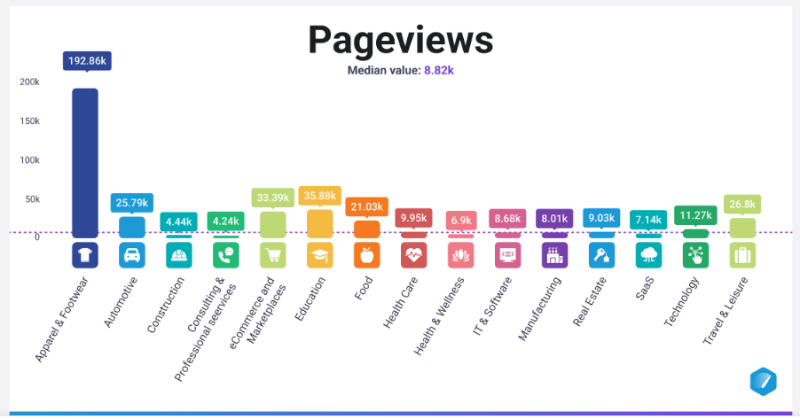
Website Traffic Benchmarks by Industry | Databox
 | Stickiness, as a Key Performance Indicator (KPI), measures how often users return to your website or app within a specific time frame. It's a valuable metric for understanding user engagement and loyalty.
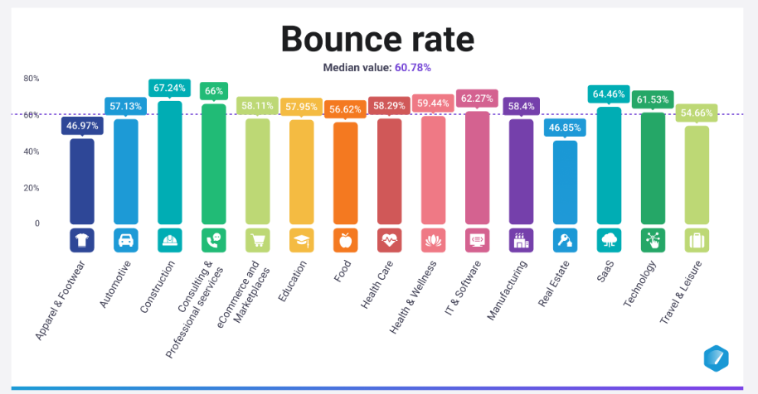
 | How to Calculate Stickiness:

 | The most common way to calculate stickiness is by using the following formula:

 | Stickiness (%) = (Daily Active Users (DAU) / Monthly Active Users (MAU)) * 100
 | Interpretation:
 | A higher stickiness percentage indicates that a larger proportion of your monthly active users are returning on a daily basis, suggesting strong engagement and loyalty. Conversely, a low stickiness percentage might signal that users are not finding enough value to return frequently.
 | General benchmark: A stickiness rate of 20% is considered a good starting point for many businesses. This means that 20% of your monthly active users are returning daily.
 | High stickiness: A stickiness rate above 30% is often considered excellent, indicating a highly engaged user base.
 | Low stickiness: A stickiness rate below 10% might raise concerns about user engagement and retention.
 | The following are some industry benchmarks for stickiness, but remember that these are just averages, and your specific goals may differ:

 | Social networking: 40-50%
 | Gaming: 20-30%
 | SaaS: 15-25%
 | Media/news: 10-20%
 | E-commerce: 5-15%

 | Bounce Rate, as a Key Performance Indicator (KPI), measures the percentage of visitors who leave your website after viewing only one page. It's a crucial metric for understanding the effectiveness of your website in capturing and retaining user interest.

 | How to Calculate Bounce Rate:

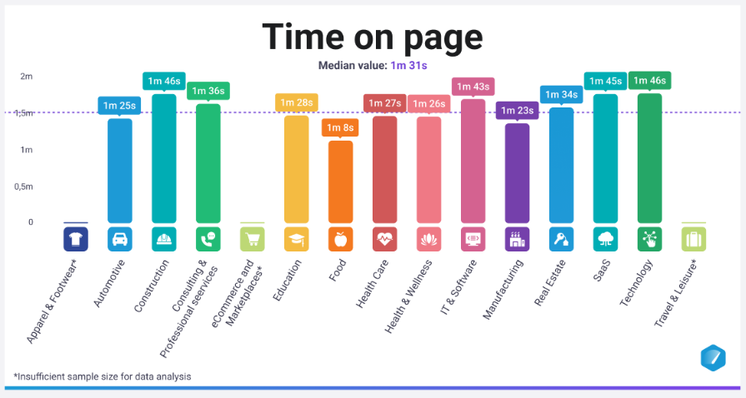
 | Bounce Rate (%) = (Single-Page Sessions / Total Sessions) * 100
 | A low bounce rate suggests that users find your website engaging and relevant, leading them to explore multiple pages.

 | Good Indicators and Benchmarks:

 | A "good" bounce rate can vary significantly depending on the industry, website type, and traffic source. However, here's a general guideline:

 | Average: 41-55%
 | Excellent: 26-40%

 | Industry Benchmarks:

 | Here are some industry benchmarks for bounce rates:

 | Content websites: 40-60%
 | E-commerce websites: 20-45%
 | Landing pages: 70-90%
 | Blogs: 70-98%
 | Service sites: 10-30%

